QA and Tasks to Do
Partha's Work | Answer/Acknowledgement
You have done pretty good job, appretiating the effort. Some modifications and further tasks has been added below. Excellent! | Thanks a lot
What is the denominator of the evaluation? | 1000 samples (questions)
Remove/Hide/Stikethrough unnecessary models from the table. | Done
Some of the cosine similarities seems to be empty, better drop the column. I have hidden the model
Please add references to the column in the Expert models - From where you got the info. Please do not say any AI based app | done
Lets just focus on the text based - others modality we are planning in the option 3 - Which you will not be doing. You can proceed to do Option 1 as we discussed Also, experimenting in that area, we need to built a basic knowledge, which we do not have time since we took. Option 1. Otherwise no problem in combining 1 and 3 | done
Sharing the code in py, with cli arguments for the running of application - Share on Github - dkowsikpai is my username. Keep repo as private | done
In Expert Models, in text based lets add few more expert area as well -
1. Add Experts in each area for the items marked in red columns in the Expert Models sheet. Also, refer articles like this and add experts in math, judge, for db and everything possible - https://www.promptingguide.ai/research/llm-agents
2. Also add the datasets that we can use to evaluate each of the experts. We will finalize the list of experts to select for the project later after the complete list is ready | to be finalised
3. Output behaviour startergy (Expert to summariser vs. expert based on classifier) - Will explain in next meeting - just remind me | done
4. Bold the best models from the each expert area. If Number of parameters seems too high (Above 3B) take the second best | done
I will share the paper format, let's start writing matter
Make some charts/graphs with multi bar or something better with the data from previous plot so you can answer [Q1]-[Q_last] better | yes will work on it today (16th april)

Research Questions to be written and answered in the paper (before that answer here; your opinion; not chatgpt; Consider this as your learning outcome of the internship) Take your time, think and answer. No hurry. Deadline - April 30, 2025
[Q1] How does the quantisation affect each of the metric in the evaluation of the model? And Why? (Hint, confidence score, and other major metrics) | quantisation affects each of the metric we have used primarily as in quantisation we lower the precision of the model weights ie compress , hence lowering the internal calulation like softmax. Thus the model will be less accurate then the full precision so it won’t catch small details or exact words , can even lower the context. ROUGE score will also have an effect as it is calculated on the basis of the overlap so might miss a few key words or rephrase answers differently..The BERTscore too will ahve an effect as it may not catch the whole semantic meaning .
[Q2] Is multi-agent system good? Is it good for for all the applications of LLM? What are the advantages and disadvantages | Yes but not all the time . Multi agent systems have a huge advantage of having multiple agents : seperate agents for tasks make it easier to develop and test also to maintain , seperate agent focusing on specific domains and control over agent and its communication..Also while using Multi agents , parallel processing can be done which will save the time . Since each agent is specialized, the final output is can be cleaner and more reliable..It also has disadvanatges : When loading the models or agents in a edge device we might encounter resource contraints . More models running , more memory, more power hence the latency .
[D1] Why Rogue 1 to L reduces in the value? What is the possible reason? | ROUGE score is a metric which deals with the excat match ie if the words match in the answers generated the scores comes up to a higher value irrespective if the answer is correct or not , hence we see low scores of ROUGE metric in our case as we need to extract the semantic meaning of the sentence rather than only looking into the exact words (as we are summarizing) .
[D2] Why BERT Score is a better metric | BERT score is a metric which deals with the semantic meaning
[Q3] Does the larger models always perform better? Is the combination of quantised model perform better than the larger individual ones | not necessarily , larger models with higher parameters might perform well than lower models if the tasks are diverse and common but models which are fine-tuned on particular domain might outperform other models which are not finetuned on that domain even if it is of higher parameters .
[Q4] Will add later, after the experiments from the expert models
[D3] Why tokens per second is less for quantised model? what can be the possible reasons?
[D4] Why semantic similarity of combined models is close the best individual ss score? | (not sure about the answer) The semilarity socre of both individual and the combiner models are almost similar as the summrizer usually tends to favour the stonger answer of the those given by other 2 models ..If one model gives okish and otherb model gives a good answer , as th esummrizer takes parts of both and the model 2 gives the better answer , hence we cn see it taking more of model 2 context ,,hence similarity socre might more vary with a huge difference.
[Q5] Possible reasons for why combo models quant and base model are performing similarly | as we are quantising to int8 , the quantisation even tho lowers the precision , the important weights are preserved while retaining critical information.We are not changing the model + using same architecture but compressing /changing the weights .Hence architecture, training and parameters are identical...(not sure on this-> in the sumamry model when 2 qna models give answers the refined output will take the best answers combination so even oif one model which is not quantised gives not a great answer and other model captures the context well the final answer will still be the best , So even if the model is wquanitsed we may see similar scores to that of base)
[Q6] Why there is a reduction in tokens/s for quantised?

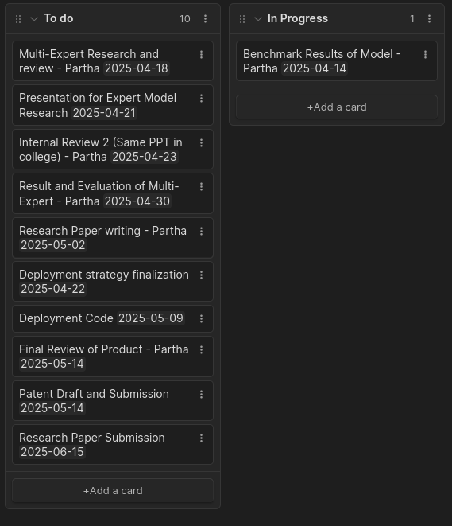

COMPLETE THE EVALUATION WITH COMMON DENOMINATOR | Whats the denominator
Link of the Natural Questions Dataset | https://huggingface.co/datasets/sentence-transformers/natural-questions
What could you infer from scores
What is rouge cosine? | Add reference
Please share notebook, keep logs or versions for later reference | 24 GB - CDAC server
Whats difference between these models? Why not 3.1 instruct? | Check that if it is available
Why is Base model Combo empty? - How much extra memories are needed?
Why BERT Score performs better?
Quantised at what level? | INT 8
Whats the memory consumption
What are the other metrics used in agentic model systems? | METOR
How much time did it take to compute? | For commnon N samples
https://docs.ragas.io/en/v0.1.21/concepts/metrics/summarization_score.html
https://www.digitalocean.com/community/tutorials/automated-metrics-for-evaluating-generated-text
https://neptune.ai/blog/llm-evaluation-text-summarization
METEOR Score? | We can do later
EMNLP/EACL
What is image, text summary dataset? How to do?
What area you want to do research

What I will do...
https://github.com/run-llama/llama_index
https://www.langchain.com/

Feedback

